Boost
Calculating Inductor Requirement For Boost Converter

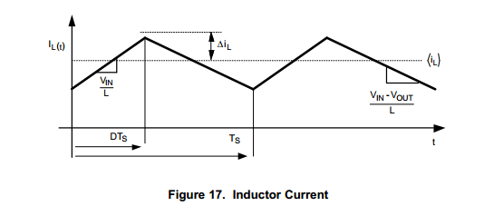

Input |  |  |  |  |  |  | Output

Vin (V) | Vout (V) | Ripple Requirement (Percent) | Output Current (A) | Frequency (Hz) | Efficiency (Percent) |  | Minimum Inductor (L) | Output Capacitor (F) | Power (W)
3.3 | 20 | 20 | 0.04 | 1600000000 | 70 |  | 3.7625800781E-08 |  | 0.96

Name | Abbrevited | Image Reference |  | Equation
Inductor Current | I |  |  | I = (Vout * Iout) / Vin | 0.24242424242
Ripple Requirement Current (A) | RRA | delta I |  | RRA = (Ripple Precent * .01) * Current / 2 | 0.024242424242
Period (Seconds) | Ts |  |  | P = (1 / Freq) | 6.25E-10
Efficiency Ratio | n |  |  | n = (Effciency Percent * .01) | 0.7
Duty Cycle Calculation | D |  |  | D = (Vout - Efficienty * Vin)/Vout' | 0.8845
Inductor Calculation | L |  |  | L = (Vin / 2 (RRA)) * D * Ts | 3.7625800781E-08

Inductor Experimental Values
Inductor (Name) | Value |  | Ripple (I) | Current Ripple % | Voltage Ripple (V) | Maximum Inductor Current (A)
Default Calculation Output | 3.7625800781E-08 |  | 0.024242424242 | 20 | 9.12140625E-10 | 0.064242424242
Value 1 | 1.00E-06 |  | 0.000912140625 | 0.75251601562 | 9.12140625E-10 | 0.040912140625
Value 2 | 2.20E-06 |  | 0.000414609375 | 0.34205273437 | 9.12140625E-10 | 0.040414609375
Value 3 | 3.30E-06 |  | 0.00027640625 | 0.22803515625 | 9.12140625E-10 | 0.04027640625
Value 4 | 4.70E-06 |  | 0.0001940724734 | 0.16010979056 | 9.12140625E-10 | 0.040194072473
Value 5 | 6.60E-06 |  | 0.000138203125 | 0.11401757812 | 9.12140625E-10 | 0.040138203125

Output Capacitor Experimental

